02_Logarithimic Scale
Examples
 | Distance
1 | 35
2 | 9760
3 | 14500
4 | 74000
5 | 681000
6 | 90210000
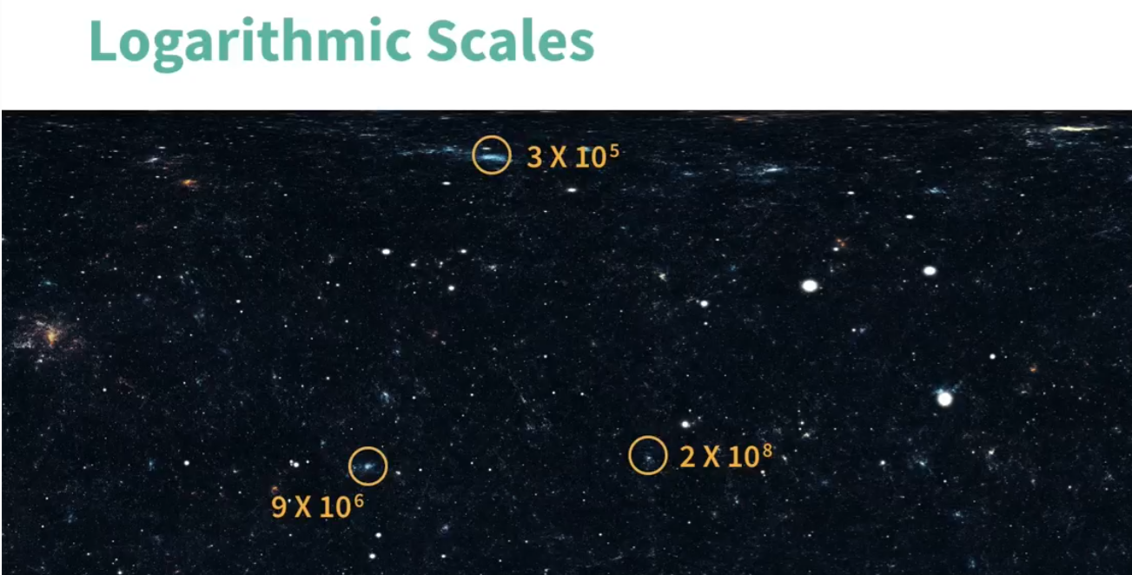

Sample | Distance
1 | 3.50E+01
2 | 9.76E+03
3 | 1.45E+04
4 | 7.40E+04
5 | 6.81E+05
6 | 9.02E+07

=2^3
=log(8,2)

02_Trendline
 | Amount Spent
1 | 35
1 | 13
2 | 40
4 | 20
4 | 15
5 | 35
10 | 35
20 | 50
20 | 25
22 | 40
45 | 35
50 | 75
50 | 125
50 | 67
75 | 99
75 | 149
75 | 110
75 | 120
85 | 130
87 | 75
99 | 101
100 | 200
125 | 125
130 | 220
145 | 150
152 | 195
Distance | Amount Spent
1 | 35
1 | 13
2 | 40
4 | 20
4 | 15
5 | 35
10 | 35
20 | 50
20 | 25
22 | 40
45 | 35
50 | 75
50 | 125
50 | 67
75 | 99
75 | 149
75 | 110
75 | 120
85 | 130
87 | 75
99 | 101
100 | 200
125 | 125
130 | 220
145 | 150
152 | 195

02_Running Average
Month | Customers | Running Total | Running Average | 3-month Running Average
January | 4,969 |  |  |  | Running Total : Total of all the months upto a particular month
February | 5,705
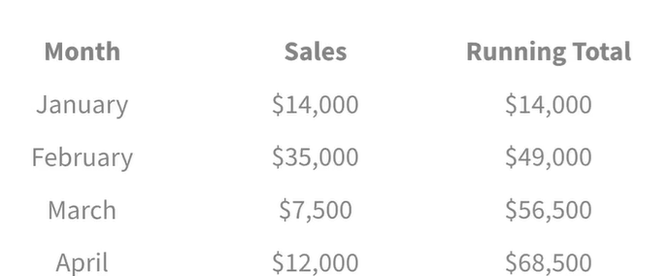
March | 9,721
April | 6,481
May | 5,311
June | 6,987
July | 8,435
August | 3,443
September | 3,859
October | 4,835
November | 9,139
December | 9,928

